Sheet1
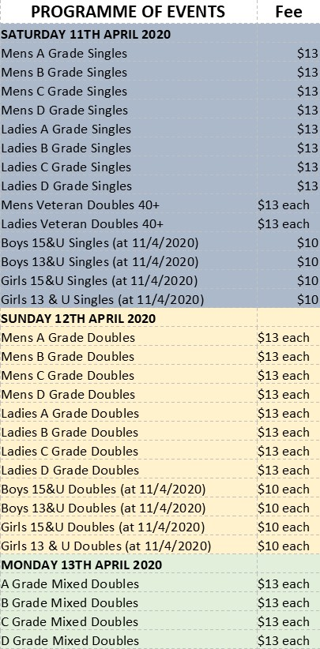
St Arnaud Lawn Tennis Club - Easter 2020 Entry Form
Players Name | Partners Name | Event Entered | Fee

Bank Details: Account Name St Arnaud Lawn Tennis Club Inc. BSB: 633108 Account Number 147263040
Please Quote Name as Reference.

 |  | Total Enclosed | 0

Name:
Address:
Email & Mobile Number:
DOB (Juniors): |  | CLUB:

By submitting the entries as listed above, I agree to abide by all the tournament conditions and the Tennis Australia and member associations Events Disciplinary Policy and Member Protection By Law
Entries and enquiries to Tournament Secretary Mrs Sharyn Erwin
Email starnaudlawntennis@gmail.com. Phone 0487 691369
Please direct any entries by mail to: 2322 St Arnaud Dunolly Road, Emu, 3475

